INVENTORY
INVENTORY

Production Parameters

Parameter | Value | Unit | Notes
Annual production volume | 2,000 | kg/year | total amount of final product manufactured by plant in 1 year
Annual operating time | 90% | % | percentage of hours throughout year when plant is operating
Shift positions in plant | 4 | position | total number of employees directly managing plant at any given time
Final product market price | 1,200 | $/kg | current market price for final product produced by process

Scenario Specifications

Scenario | 1 or 0 | On/Off | Notes
Scenario #1: Low Carbon Electricity | 0 | OFF | whether scenario 1 is turned on or not
Scenario #2: Raw Material Replacement | 0 | OFF | whether scenario 2 is turned on or not

Material Flow

Raw Material | Value | Unit | Notes
Process 1
Raw material 1 | 23.4 | kg/kg | kilograms of RM 1 needed in process 1 per 1 kilogram output of final product
Raw material 2 | 15.6 | L/kg | liters of RM 2 needed in process 1 per 1 kilogram output of final product
Raw material 3 (CO2) | 9.9 | kg/kg | kilograms of RM 3 needed in process 1 per 1 kilogram output of final product
Raw material 1 replacement | 30.2 | kg/kg | replacement material consumption for use in study scenario

Process 2
Raw material 4 | 50.3 | L/kg | liters of RM 4 needed in process 2 per 1 kilogram output of final product

Cost Parameters

Inflation Data | Value | Unit | Notes
Year of analysis for inflation | 2021 | year | all cost parameters should be inflated to this year if not current
Currency | $ | USD | currency for all cost parameters

Raw Material | Value | Unit | Notes
Raw material 1 | 7.7 | $/kg | dollars per kilogram for RM 1
Raw material 2 | 17.2 | $/L | dollars per liter for RM2
Raw material 3 (CO2) | 0.1 | $/kg | dollars per kilogram for RM 3
Raw material 4 | 25.2 | $/L | dollars per liter for RM 4
Raw material 1 replacement | 2.3 | $/kg | dollars per kilogram for RM 1 replacement for use in study scenario

Energy | Value | Unit | Notes
Electricity | 0.07 | $/kWh | dollars per kilowatt-hour for industrial buyer in study location
Natural gas | 3.93 | $/Mcf | dollars per thousand cubic feet of natural gas for industrial buyer in study location
Low carbon electricity | 0.10 | $/kWh | dollars per kilowatt-hour for low carbon electricity in study location for scenario

Labor | Value | Unit | Notes
Direct labor cost | $32.15 | $/person-hour | average dollars per hour paid in wages/salary to employees
Indirect labor coefficient | 50% | % | percentage of direct labor going to supervision and overhead employees
Fringe coefficient | 42% | % | percentage of both direct and indirect labor costs that covers benefits and other costs

Property, Plant, and Equipment | Value | Unit | Notes
Cost of capital | 6.7% | % | average cost of borrowed money to pay for equipment and factory
Maintenance | 4% | % | annual percentage of equipment and offsite costs for maintaining
Insurance | 1% | % | annual percentage of equipment and offsite costs for insuring
Offsite/Outside Battery Limits (OSBL) | 55% | % | percentage of equipment and floor space costs for utility connections, lighting, etc.
Engineering | 20% | % | percentage of equipment, OSBL, and floor space costs for engineering/design
Contingency | 10% | % | percentage of equipment, OSBL, and floor space costs for possible overruns
Years to recover equipment investment | 10 | year | years used to repay debt taken on for equipment
Years to recover factory investment | 30 | year | years used to repay debt taken on for floor space
Factory floor space cost | 250 | $/m2 | dollars per square meter for initial factory construction
Equipment occupancy markup | 50% | % | percentage used to increase equipment space to allow for workers, connections, etc.

Machine Parameters

Number of Machines Per Step | Value | Unit | Notes
Process 1 | 1 | unit | number of machines to be used in process 1
Process 2 | 1 | unit | number of machines to be used in process 2
Process 3 | 1 | unit | number of machines to be used in process 3

Reference Machine Throughput | Value | Unit | Notes
Machine 1 | 15.8 | L/hour-unit | reference processing capacity for machine 1
Machine 2 | 74.0 | L/hour-unit | reference processing capacity for machine 2
Machine 3 | 35.7 | L/hour-unit | reference processing capacity for machine 3

Reference Machine Cost | Value | Unit | Notes
Machine 1 | 159,302 | $/unit | cost for machine 1 sized to handle reference throughput value above
Machine 2 | 230,500 | $/unit | cost for machine 2 sized to handle reference throughput value above
Machine 3 | 1,754,500 | $/unit | cost for machine 3 sized to handle reference throughput value above

Ancillary Equipment Factors | Value | Unit | Notes
Machine 1 | 2.0 | factor | factor to apply to machine 1 cost to account for ancillary equipment (piping)
Machine 2 | 2.0 | factor | factor to apply to machine 2 cost to account for ancillary equipment (piping)
Machine 3 | 2.0 | factor | factor to apply to machine 3 cost to account for ancillary equipment (piping)

Reference Machine Scaling Exponents | Value | Unit | Notes
Machine 1 | 0.67 | exp | exponent used to scale base costs with formula cost=costref*(thruput/thruputref)exp
Machine 2 | 0.50 | exp | exponent used to scale base costs with formula cost=costref*(thruput/thruputref)exp
Machine 3 | 1.00 | exp | exponent used to scale base costs with formula cost=costref*(thruput/thruputref)exp

Reference Machine Power Rating | Value | Unit | Notes
Machine 1 | 3.2 | kW/unit | kilowatt rating for machine 1
Machine 2 | 4.2 | kW/unit | kilowatt rating for machine 2
Machine 3 | 0.2 | Mcf/hour-unit | thousands of cubic feet used per hour by machine 3

Reference Machine Floor Space | Value | Unit | Notes
Floor space scaling exponent | 0.67 | exp | area scaling found using 2/3 exponent on volume scaling
Machine 1 | 8.0 | m2/unit | square meters taken up by each machine 1
Machine 2 | 5.5 | m2/unit | square meters taken up by each machine 2
Machine 3 | 7.0 | m2/unit | square meters taken up by each machine 3

Sensitivity Analysis Working Section

Note: this section contains data tables for sensitivity analysis because Excel requires data tables in the same sheet as the variables being modified. Generally, this analysis is conducted as part of the Interpretation phase. Thus, while the tables are here, conclusions are discussed in that section.

The units in the right-hand columns in this section are manufacturing costs per kilogram of the final product.

Production Cost Curve
Production volume (kg/year) | $3,068
1,000 | $4,168
2,000 | $3,068
3,000 | $2,699
4,000 | $2,514
5,000 | $2,402
6,000 | $2,327
7,000 | $2,273
8,000 | $2,233
9,000 | $2,202
10,000 | $2,176
20,000 | $2,061
30,000 | $2,022
40,000 | $2,002
50,000 | $1,990
60,000 | $1,982
70,000 | $1,976
80,000 | $1,971
90,000 | $1,968
100,000 | $1,965
 |  |  | Note: sensitivity analysis of production volume is only applicable for ranges in which machines are realistically sized given the fixed number of machines in the Inventory and the required hourly throughput.
Raw material 4 cost ($/L) | $3,068
10 | $2,303
15 | $2,554
20 | $2,805
25 | $3,056
30 | $3,308
35 | $3,559

Annual operating time (%) | $3,068
10% | $3,964
20% | $3,054 |  |  | ..
30% | $2,825
40% | $2,768
50% | $2,781
60% | $2,829
70% | $2,898
80% | $2,978
90% | $3,068
100% | $3,163

Uncertainty Analysis Working Section

Note: this section contains data tables for uncertainty analysis because Excel requires data tables in the same sheet as the variables being modified. Generally, this analysis is conducted as part of the Interpretation phase. Thus, while the tables are here, conclusions are discussed in that section.

The units in the right-hand columns in this section are manufacturing costs per kilogram of the final product.

Offsite/outside battery limits (OSBL) (%) | $3,068
15% | $2,998
25% | $3,016
35% | $3,033
45% | $3,051
55% | $3,068
65% | $3,085
75% | $3,103
85% | $3,120
95% | $3,137

Machine 3 reference cost ($/unit) | $3,068
1,000,000 | $2,976
1,200,000 | $3,000
1,400,000 | $3,025
1,600,000 | $3,049
1,800,000 | $3,073
2,000,000 | $3,098
2,200,000 | $3,122
2,400,000 | $3,147
2,600,000 | $3,171
2,800,000 | $3,196
3,000,000 | $3,220

INDICATORS
INDICATORS |  |  |  |  |  |  | Note: A potential expansion of this model involves creating one of the boxes on the left for each individual process in the system. This would increase the granularity of results.

Indicator Summary |  |  |  | Cost Model

Manufacturing Cost Distribution
Raw Materials | 55.9%
Labor | 35.2%
Manufacturing Overhead | 8.8%
Process Costs | $/kg | $/year | % of Total | MANUFACTURING COST: ALL PROCESSES
Raw Materials | $1,716 | $3,432,647 | 55.9% | Raw Materials | $/kg | $/year
Raw material 1 | $179 | $358,020 | 5.8% | Raw material 1 | $179 | $358,020
Raw material 2 | $268 | $536,640 | 8.7% | Raw material 2 | $268 | $536,640
Raw material 3 (CO2) | $1 | $2,372 | 0.0% | Raw material 3 (CO2) | $1 | $2,372
Raw material 4 | $1,268 | $2,535,615 | 41.3% | Raw material 4 | $1,268 | $2,535,615 |  | #NAME?
 |  |  |  | Total | $1,716 | $3,432,647
Labor | $1,081 | $2,161,049 | 35.2%
Direct labor | $507 | $1,014,577 | 16.5% | Production Labor | $/kg | $/year
Indirect labor | $254 | $507,288 | 8.3% | Direct labor | $507 | $1,014,577
Fringe | $320 | $639,183 | 10.4% | Indirect labor | $254 | $507,288
 |  |  |  | Fringe | $320 | $639,183
Manufacturing Overhead | $271 | $542,119 | 8.8% | Total | $1,081 | $2,161,049
Factory floor space | $0 | $231 | 0.0%
Capital equipment | $208 | $416,820 | 6.8% | Manufacturing Overhead | $/kg | $/year
Maintenance | $49 | $97,432 | 1.6% | Factory floor space | $0 | $231
Insurance | $12 | $24,358 | 0.4% | Capital equipment | $208 | $416,820
Utilities - electricity | $0 | $842 | 0.0% | Maintenance | $49 | $97,432
Utilities - natural gas | $1 | $2,436 | 0.0% | Insurance | $12 | $24,358
 |  |  |  | Utilities - electricity | $0 | $842
Total Manufacturing Cost | $3,068 | $6,135,815 | 100.0% | Utilities - natural gas | $1 | $2,436
 |  |  |  | Total | $271 | $542,119
CO2 Utilization | Value | Unit | Notes
Direct CO2 utilized per functional unit | 10 | kg CO2/kg | CO2 directly used in product. Does NOT account for process emissions. See LCA | COST OF THE PROCESS | $3,068 | $6,135,815

Intermediate Calculations |  |  |  | Capital Equipment Cost | $/plant
 |  |  |  | Machinery | $1,570,373
 |  |  |  | Offsite/OSBL | $865,438
Labor | Value | Unit | Notes | Engineering | $487,792
Annual operating hours | 7,889 | hour/year | total hours of plant uptime throughout a 365.25 day year (accounts for leap years) | Contingency | $243,896
Annual direct hours worked by employees | 31,558 | hour/year | number of person-hours worked by various employees across shifts | Total | $3,167,499

Machine Cost | Value | Unit | Notes
Machine 1 hourly throughput needs | 4.0 | L/hour-unit | based on fluid needs in process 1 and number of machines
Machine 2 hourly throughput needs | 12.7 | L/hour-unit | based on fluid needs in process 2 only and number of machines
Machine 3 hourly throughput needs | 12.7 | L/hour-unit | based on fluid needs carried over from process 2 and number of machines

Scaled machine 1 cost | 125,955 | $/unit | scaled machine 1 cost with formula cost=(costref*(thruput/thruputref)exp)*factor
Scaled machine 2 cost | 191,270 | $/unit | scaled machine 2 cost with formula cost=(costref*(thruput/thruputref)exp)*factor
Scaled machine 3 cost | 1,253,148 | $/unit | scaled machine 3 cost with formula cost=(costref*(thruput/thruputref)exp)*factor

Total machinery cost | 1,570,373 | $ | total cost for machinery factoring in number of units

Machine Energy Use | Value | Unit | Notes
Scaled machine 1 power rating | 0.8 | kW/unit | power rating scaled linearly with throughput
Scaled machine 2 power rating | 0.7 | kW/unit | power rating scaled linearly with throughput
Scaled machine 3 power rating | 0.1 | Mcf/hour-unit | power rating scaled linearly with throughput

Annual machine 1 energy use | 6,319 | kWh/year-unit | total kilowatt-hours used per machine 1 in 1 year
Annual machine 2 energy use | 5,704 | kWh/year-unit | total kilowatt-hours used per machine 2 in 1 year
Annual machine 3 energy use | 620 | Mcf/year-unit | total thousands of cubic feet of natural gas used per machine 3 in 1 year

Annual electricity usage | 12,023 | kWh/year | total kilowatt-hours used by process in 1 year
Annual natural gas usage | 620 | Mcf/year | total thousands of cubic feet of natural gas used by process in 1 year

Machine Floor Space | Value | Unit | Notes
Scaled machine 1 floor space | 4.8 | m2/unit | scaled floor space formula space=(1+markup%)*spaceref*(thruput/thruputref)exp
Scaled machine 2 floor space | 2.6 | m2/unit | scaled floor space formula space=(1+markup%)*spaceref*(thruput/thruputref)exp
Scaled machine 3 floor space | 5.3 | m2/unit | scaled floor space formula space=(1+markup%)*spaceref*(thruput/thruputref)exp

Total floor space needs | 12.6 | m2 | total floor space requirement factoring in number of machines

INTERPRETATION
INTERPRETATION

Scenario Analysis

Scenario #1: Low Carbon Electricity | When the switch in the Inventory worksheet for low carbon electricity is turned on, there is a nearly negligible change to the final dollar per kilogram indicator for the final product. This is due to energy being an insignificant component of overall costs.

Scenario #2: Raw Material Replacement | When the switch in the Inventory worksheet for raw material replacement is turned on, costs are adjusted to assume the use of the alternative to raw material 1. Costs decrease from $3,084 to $2,975 per kilogram as the alternative is significantly cheaper than the original material and the extra amount required does not offset this lower cost.

Sensitivity Analysis

Note: only a few variables were tested to analyze the results' sensitivity to them for demonstration purposes. A full study may assess many more.
Production Cost Curve
1,000 | $4,168
2,000 | $3,068
3,000 | $2,699
4,000 | $2,514
5,000 | $2,402
6,000 | $2,327
7,000 | $2,273
8,000 | $2,233
9,000 | $2,202
10,000 | $2,176
20,000 | $2,061
30,000 | $2,022
40,000 | $2,002
50,000 | $1,990
60,000 | $1,982
70,000 | $1,976
80,000 | $1,971
90,000 | $1,968
100,000 | $1,965

Production Volume (kg/year) | The cost curve above demonstrates that a manufacturing cost floor is hit around a production volume of 20,000 kilograms per year. The manufacturing cost is highly sensitive to production volume at first before hitting this floor. As more units are produced, there are economies of scale arising from distributing constant labor costs over more units (it is assumed the same number of employees can easily operate larger, automated plants) and from using machines whose costs and floor space needs scale sublinearly with production volume.

Raw Material 4 Cost ($/L) | Given that raw material 4 contributes around 42% of the manufacturing cost in the base case model, it is unsurprising that the final manufacturing cost is highly sensitive to RM 4's cost. The data table on the Inventory worksheet shows that a reduction of the cost of raw material 4 from around $25 per liter to $15 per liter results in a roughly 16% reduction in manufacturing costs. Such a reduction may or may not be feasible.

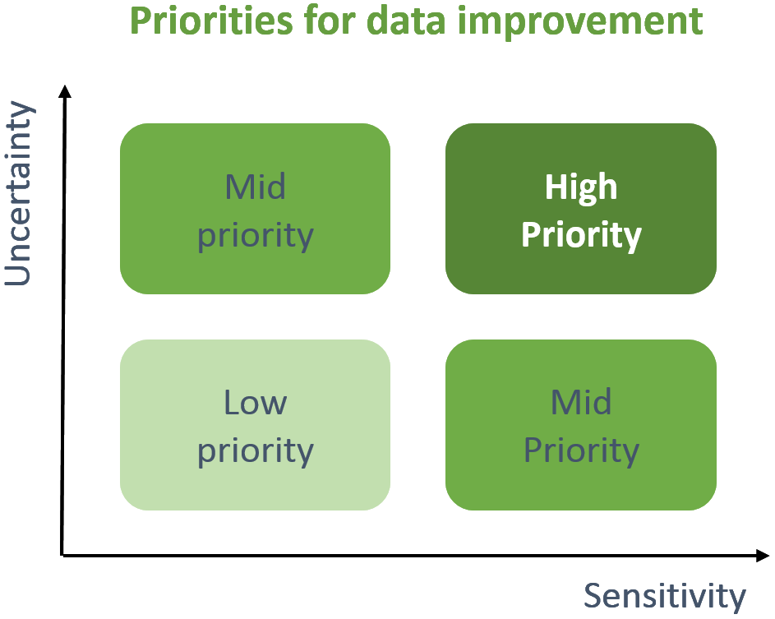
Annual Operating Time (%) | Surprisingly, in the base case model, cost decreases from $3,084/kg to around $2,785/kg as operating time decreases from 90% from 40%. This is because labor is a larger contributor to manufacturing cost relative to capital equipment in the base case model, so the savings from less labor with 40% operating time more than offset the increases in the size and cost of the capital equipment required to produce the same volume in this shorter time. However, this ceases to be the case at higher production volumes where labor is a smaller component of overall costs.

Uncertainty Analysis

Note: only a couple variables were tested to analyze parameter uncertainty for demonstration purposes. A full study may assess many more.

Offsite/Outside Battery Limits (OSBL) (%) | In this model, the cost of Outside Battery Limits (OSBL) is expressed as a percentage of the cost of Inside Battery Limits (ISBL), where ISBL denotes the price of machinery and factory space. They have a wide host plant range. The baseline scenario assumes a median value of about 55%. Final manufacturing costs varied from $3,015/kg to $3,154/kg (a spread of roughly 4%) based on an uncertainty analysis using a range of 15% to 95%. The OSBL factor's uncertainty will not have a major impact on the manufacturing cost per unit because capital equipment is not a major contributor to manufacturing costs (and becomes even less of a contributor with scaling).

Machine 3 Reference Cost ($/unit) | Lack of transparency or the desire to avoid using confidential information can make it hard to find data on the costs of machines, especially custom or unique ones. To investigate the impact of cost uncertainty on the manufacturing cost indicator, we use a range of possible costs for machine 3. Machine 3's cost changing from $1,000,000/unit to $3,000,000/unit only raises manufacturing cost from $2,992/kg to $3,237/kg because capital equipment is not a significant contributor to manufacturing costs in the base case model.

Insights and Recommendations

Insight #1 | In the most basic scenario, this new technology results in a manufacturing cost of $3,084/kg for the final product. Costs are broken down as follows: 56% goes toward raw materials, 35% goes toward labour, and 9% goes toward manufacturing overhead. The fourth raw material made up nearly 42% of the total cost, making it the single largest contributor. In order to compete with the commodity benchmark product, which sells for only $1,200/kg, substantial cost reductions are required. For every kilo of product that is made, 10 kilogrammes of carbon dioxide are used.

Insight #2 | Scaling production to around 20,000 kg/year leads to a manufacturing cost floor of just around $2,000/kg. Using low carbon electricity has a negligible impact on the manufacturing costs per kilogram of the final product. Using the replacement for raw material 1 decreases the final cost metric by about 3.7% when using the base case production volume of 2,000 kilograms per year. The anticipated cost benefit of using the alternative will increase with scale, as raw materials become a more significant component of cost as production scales. Finally, uncertainty hardly affects results.

Recommendation #1 | As the benchmark product is a commodity that is currently priced around $1,200 per kilogram, the research team will need to figure out if the production process can be reasonably scaled to take advantage of economies of scale to reach the manufacturing cost floor of around $2,000/kg around 20,000 kilograms per year of production. The researchers should also seek a way to replace raw material 4 with something cheaper or research if it can be manufactured cheaply onsite or purchased in bulk for a discount, as this would help reduce the manufacturing cost significantly.

Recommendation #2 | As energy costs are a very small component of the overall cost, the researchers should plan to use low carbon electricity in the pilot plant despite its slightly higher cost. This will help improve the climate benefits of this technology, which can be fully explored with a life cycle assessment. Also, given the lower costs from using the alternative for raw material 1, it is recommended that the research team use it for the process going forward.

